Body
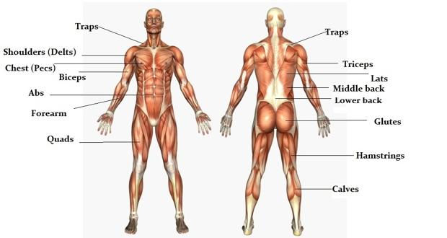
Region | Section | 2019
arm | biceps | arm-biceps
arm | triceps
arm | fore | arm-fore
back | traps
back | middle
back | lower
back | lats
chest | pecs | chest-pecs
legs | glute
legs | hamstrings
legs | calves
legs | quads | legs-quads
neck | traps
shoulder | delts

